1. Title Page
Project Name: Instacart Analysis
Date: May 2022
Analyst Name: Grace Morgan Riddell

Contents:
Population Flow
Consistency checks
Wrangling steps
Column derivations
Visualizations
Recommendations

Data Sources:
Data Dictionary
Customers Dataset
“The Instacart Online Grocery Shopping Dataset
Accessed from https://www.instacart.com/datasets/grocery-shopping-2017 on 09/05/2022

2. Population Flow
Title page

Population flow

Exclusion flag
Condition: max_order < 5
Obervations to be removed:
Final total count of order_products_all: 9597356

Orders_products_combined
Orders_products_merged
Orders_products_all

Total: 32404859
Total: 32434489
Total: 9597356

1.) The grey boxes in the first row of the population flow represent the original data sets as they were when you downloaded them. In the Total fields you need to add the count of the rows when you imported the data set into Jupyter.
2.) The second row of boxes (coloured) represents the data sets after you manipulated them, e.g., removed missing values and duplicates. In the Total fields you need to add the count of the rows after conducting these operations. This offers a visual oveview of how the data flows throughout the data consistency checks.
3.) The third row, where also the arrows are coloured, represents the merges you performed between the datasets. In the Total fields you need to add the count of the rows in the merged datasets, so that you end up with the final dataset (in the red box). Keep in mind the final dataset should be without exclusions (based on the exclusion flag).

3. Consistency checks
 |  |  |  | Title page
Consistency checks

Dataset | Missing values | Missing values treatment | Duplicates
orders | 206209 from days_since_prior_order | Missing values were a result of those orders being the first from a customer, therefore no action was nessessary | 0
products | 16 from product_name | new file saved with missing filtered out | 5, removed
orders_products_prior | 0 | n/a | 0
customers | 11259 in first_name | renamed to 'n/a | 0

4. Wrangling steps
 |  |  |  | Title page
Wrangling steps

Columns dropped | Columns renamed | Columns' type changed | Comment/Reason
eval_set |  |  | It didn't provide any useful informtion
 | order_dow to orders_day_of_week |  | To provide clarity around the meaning of 'dow'
 | Surnam renamed to last_name |  | Consistancy and clarity
 | First Name renamed to first_name |  | Consistancy and clarity
 | STATE renamed to state |  | Consistancy and clarity
 | Age renamed to age |  | Consistancy and clarity
 | Gender renamed to gender |  | Consistancy and clarity
first_name |  |  | For privacy reasons
last_name |  |  | For privacy reasons
 |  | User_id to str

5. Column derivations
Column derivations and aggregations

Dataset | New column | Column/s it was derived from | Conditions
 | price_range_loc | prices | Creates 3 price categories. 'Low-range product' <= $5 'Mid-range product' > $5 & < $15 'High-range product' >= $15
 | busiest_days | orders_day_of_week | If orders_day_of_week = 0 or 1 'Busy day' If orders_day_of_week = 3 or 4 'Slow day' Else = ' Regular day'
 | busiest_period_of_day | order_hour_of_day | If orders_hour_of_day = 10,11,13,14,15 'Most orders' if orders_hour_of_day = 0,6,22,23 'Fewest orders' else = 'Average orders'
 | max_order | order_number | Max from order_number
 | loyalty_flag | max_order | If max_order > 40, loyal customer If max_order > 10 & <= 40, regular customer If max_order <= 10, new customer
 | region | state | State coded into 4 regions using census classifications
 | spending_flag | spending | If average_spend <10, low spender If average_spend >= 10, high spender
 | order_frequency | user_id, days_since_last_order | If median_order_frequency>20, non-frequent customer If median_order_frequency>10 & <=20, regular customer If median_order_frequency<=10, frequent customer
 | activity_flag | max_order | If max_order <5, low activity (and excluded from analysis) If max_order>=5, normal activity
 | age_bracket | age | Age falling into one of these groups 18-25 25-35 45-55 55-65 65-75 75-85 85+
 | income_bracket | income | income falling into one of the following groups <25,000 25,000 - 50,000 50,000 - 75,000 75,000 - 100,000 100,000 - 125,000 125,000 - 150,000 150,000 - 175,000 175,000 - 200,000 200,000 - 300,000 300,000 - 400,000 400,000 - 500,000 > 500,000
 | parent | n_of_dependants | If number_of_dependants == 0, Non-parent If number_of_dependants >0, Parent
 | goods_profile | Department_id | The department_id number was translated to the name of the good supplied in that good.

6. Visualizations
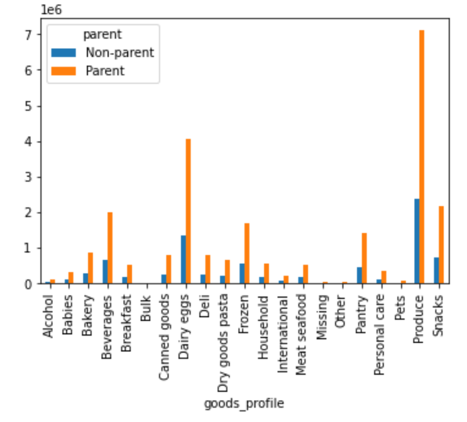
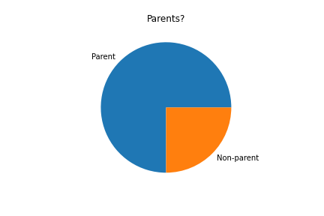
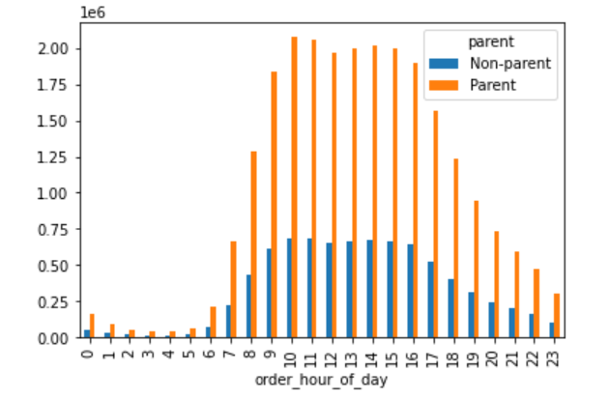
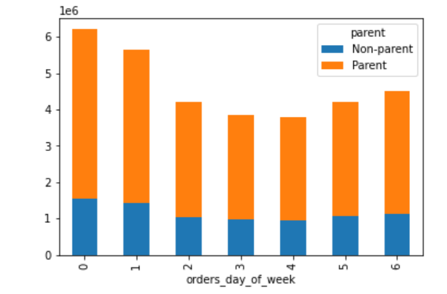
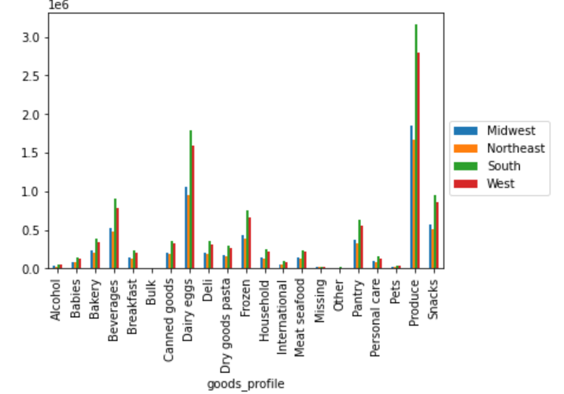
Visualisations

1. What are the busiest days of the week and hours of the day?
2. Are there particular times of the day people spend the most money?
3. Is there a way to use simpler price range groupings to help marketing and sales with their efforts?
4. Are there certain types of products more popular than others? Which departments have the highest frequency of product orders?
5. The marketing and sales teams are particularly interested in the different types of customers in their system and how their ordering behaviors differ.
 | a. What's the distribution among users in regard to their brand loyalty (i.e., how often do they return to Instacart?)
 | b. Are there differences in ordering habits based on a customer’s loyalty status?
 | c. Are there differences in ordering habits based on a customer’s region?
 | d. Is there a connection between age and family status in terms of ordering habits?
 | e. What different classifications does the demographic information suggest? Age? Income? Certain types of goods? Family status?
 | f. What differences can you find in ordering habits of different customer profiles?

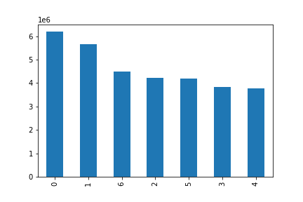
Key Question 1:
The sales team needs to know what the busiest days of the week and hours of the day are (i.e., the days and times with the most orders) in order to schedule ads at times when there are fewer orders.
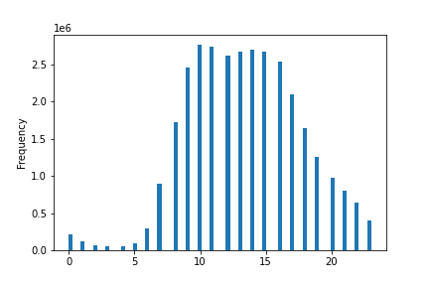

 |  |  | Ledend: 0 = Saturday 1 = Sunday 2 = Monday 3 = Tuesday 4 = Wednesday 5 = Thursday 6 = Friday

 |  | Day of week

 |  |  |  |  |  | Hour of day

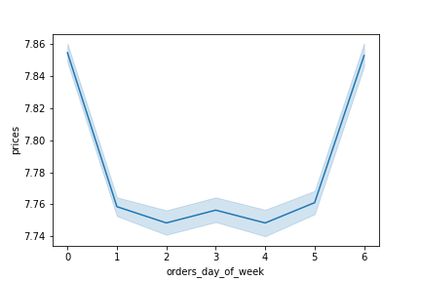
Key Question 2:
They also want to know whether there are particular times of the day when people spend the most money, as this might inform the type of products they advertise at these times.
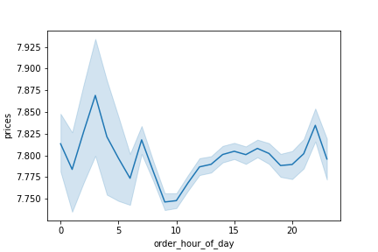

 |  |  | Ledend: 0 = Saturday 1 = Sunday 2 = Monday 3 = Tuesday 4 = Wednesday 5 = Thursday 6 = Friday

Key Question 3:
Instacart has a lot of products with different price tags. Marketing and sales want to use simpler price range groupings to help direct their efforts.
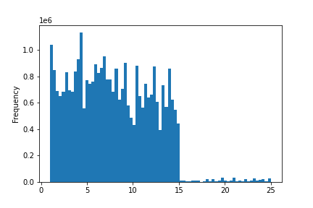

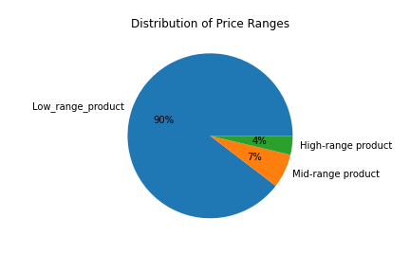

 |  | Price

Key Question 4:
Are there certain types of products that are more popular than others? The marketing and sales teams want to know which departments have the highest frequency of product orders.
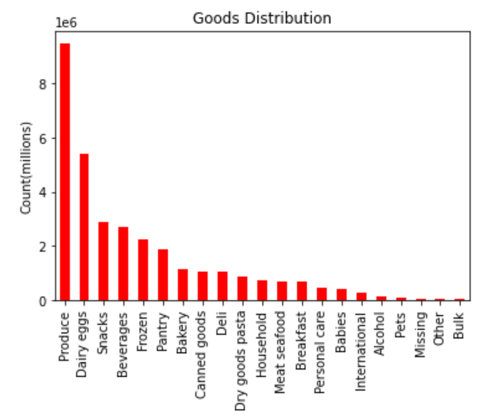

 |  |  |  | Legend
 |  |  |  | 1 | frozen | 12 | meat seafood
 |  |  |  | 2 | other | 13 | pantry
 |  |  |  | 3 | bakery | 14 | breakfast
 |  |  |  | 4 | produce | 15 | canned goods
 |  |  |  | 5 | alcohol | 16 | dairy eggs
 |  |  |  | 6 | international | 17 | household
 |  |  |  | 7 | beverages | 18 | babies
 |  |  |  | 8 | pets | 19 | snacks
 |  |  |  | 9 | dry goods pasta | 20 | deli
 |  |  |  | 10 | bulk | 21 | missing
 |  |  |  | 11 | personal care

Key Question 5A:
What’s the distribution among users in regards to their brand loyalty (i.e., how often do they return to Instacart)?

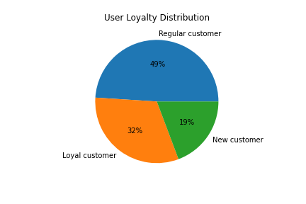

Key Question 5B:
Are there differences in ordering habits based on a customer’s loyalty status?
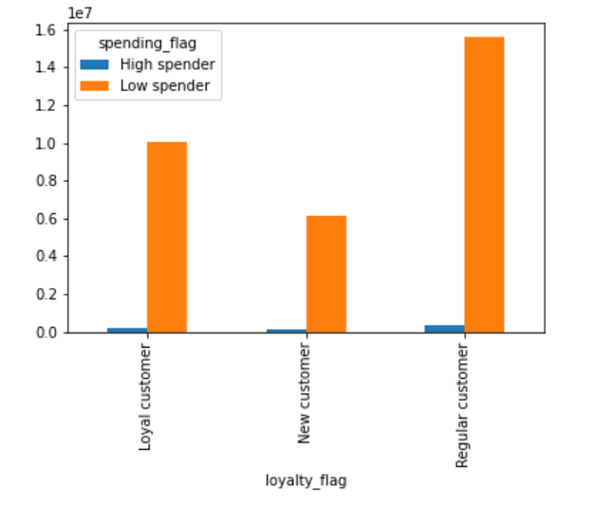

Key Question 5C:
Are there differences in ordering habits based on a customer’s region?

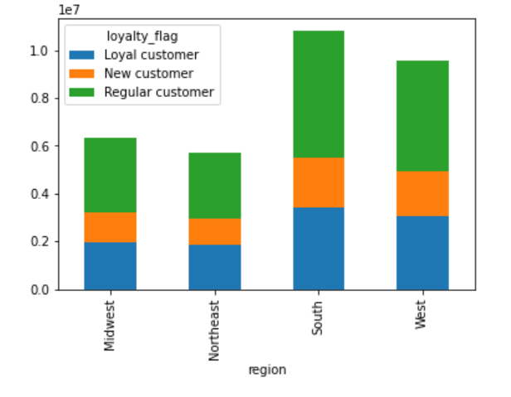
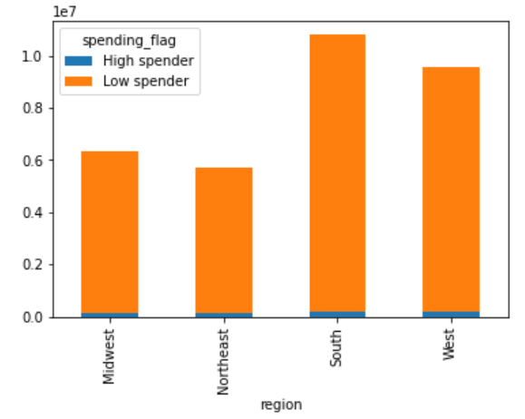

Key Question 5D:
Is there a connection between age and family status in terms of ordering habits?
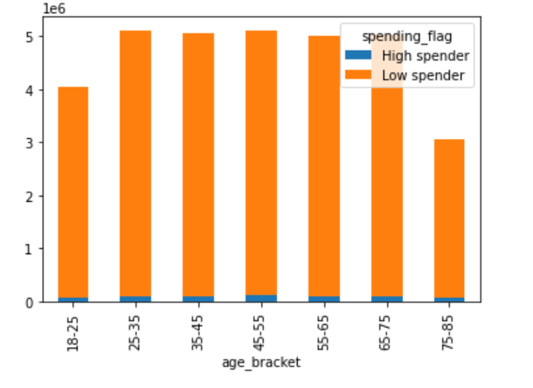
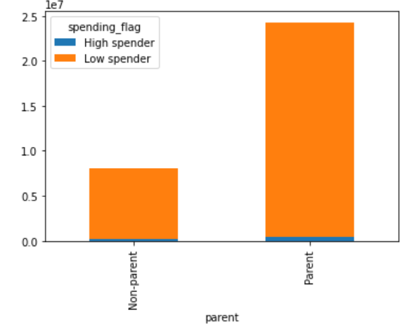

Key Question 5E:
What different classifications does the demographic information suggest? Age? Income? Certain types of goods? Family status?
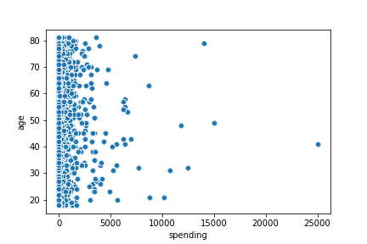
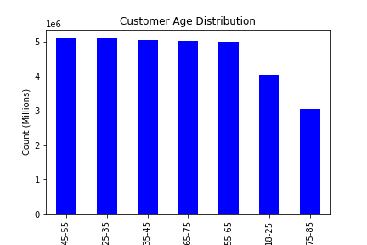

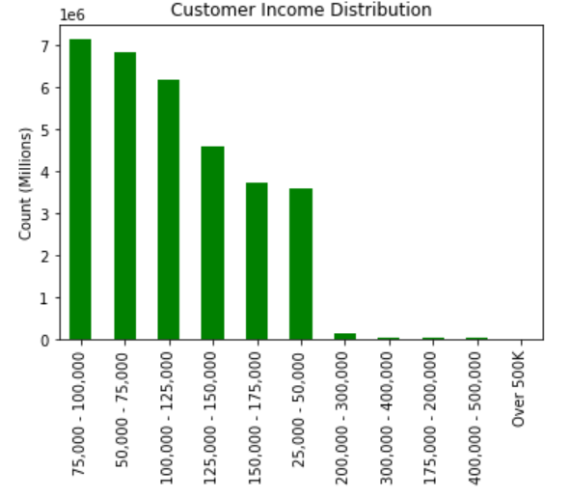

Key Question 5F:
What differences can you find in ordering habits of different customer profiles? Consider the price of orders, the frequency of orders, the products customers are ordering, and anything else you can think of.

7. Recommendations
Visualisations

1. What are the busiest days of the week and hours of the day?
2. Are there particular times of the day people spend the most money?
3. Is there a way to use simpler price range groupings to help marketing and sales with their efforts?
4. Are there certain types of products more popular than others? Which departments have the highest frequency of product orders?
5. The marketing and sales teams are particularly interested in the different types of customers in their system and how their ordering behaviors differ.
 | a. What's the distribution among users in regard to their brand loyalty (i.e., how often do they return to Instacart?)
 | b. Are there differences in ordering habits based on a customer’s loyalty status?
 | c. Are there differences in ordering habits based on a customer’s region?
 | d. Is there a connection between age and family status in terms of ordering habits?
 | e. What different classifications does the demographic information suggest? Age? Income? Certain types of goods? Family status?
 | f. What differences can you find in ordering habits of different customer profiles?

Key Question 1:
The sales team needs to know what the busiest days of the week and hours of the day are (i.e., the days and times with the most orders) in order to schedule ads at times when there are fewer orders.
According to the below the busiest days are Saturday and Sunday. The slowest days are Wednesday and Thursday. The busiest time of day is between 10am and 3pm with order numbers steadily decreasing from 4pm until 6am where numbers begin to increase.
Instacart should focus its ads to on the weekends between 10-am and 3pm

 |  |  | Ledend: 0 = Saturday 1 = Sunday 2 = Monday 3 = Tuesday 4 = Wednesday 5 = Thursday 6 = Friday

 |  | Day of week |  |  |  |  | Hour of day

Key Question 2:
They also want to know whether there are particular times of the day when people spend the most money, as this might inform the type of products they advertise at these times.
There is a spike in prices in the early hours of the day with a low at 10am. The resent of the day remains fairly consistant between those two extremes
The highest priced day is Saturday with the cheapest day being Sunday. The rest of the week remains even around the same level as Sunday.

 |  |  | Ledend:
 |  |  | 0 = Saturday
 |  |  | 1 = Sunday
 |  |  | 2 = Monday
 |  |  | 3 = Tuesday
 |  |  | 4 = Wednesday
 |  |  | 5 = Thursday
 |  |  | 6 = Friday

Key Question 3:
Instacart has a lot of products with different price tags. Marketing and sales want to use simpler price range groupings to help direct their efforts.
90% of all of Instacarts products are <= $5. Orders are frequently placed on products between $2 and $15, over $15 and the order frequency drops dramatically.

 |  |  |  |  |  |  |  |  | Legend Low_range_product <= $5 Mid-range product > $5 & < $15 High-range product > $15

 |  | Price

Key Question 4:
Are there certain types of products that are more popular than others? The marketing and sales teams want to know which departments have the highest frequency of product orders.
Produce is by far the most popular product that Instacart supplys, followed by dairy/eggs then snacks. Bulk is the least popular product type. 'Missing' and 'Other' are categories that don't have enough detail in order to have an understanding of why they are infrequently ordered.

 |  |  |  |  | Legend
 |  |  |  |  | 1 | frozen | 12 | meat seafood
 |  |  |  |  | 2 | other | 13 | pantry
 |  |  |  |  | 3 | bakery | 14 | breakfast
 |  |  |  |  | 4 | produce | 15 | canned goods
 |  |  |  |  | 5 | alcohol | 16 | dairy eggs
 |  |  |  |  | 6 | international | 17 | household
 |  |  |  |  | 7 | beverages | 18 | babies
 |  |  |  |  | 8 | pets | 19 | snacks
 |  |  |  |  | 9 | dry goods pasta | 20 | deli
 |  |  |  |  | 10 | bulk | 21 | missing
 |  |  |  |  | 11 | personal care

Key Question 5A:
What’s the distribution among users in regards to their brand loyalty (i.e., how often do they return to Instacart)?
49% of Instacarts customer base are considered regular customers with a total order of between 10 and 40 orders. 32% of customers have made over 40 orders with the remaining 19% being new customers

 |  |  |  | Legend If max_order > 40 = 'loyal customer' If max_order > 10 & <= 40 = 'regular customer' If max_order <= 10 = 'new customer'

Key Question 5B:
Are there differences in ordering habits based on a customer’s loyalty status?
Overall the number of high spending customers (spending an average of over $10) are very low. Regualar customers are the highest spenders in both the high and low spending categories.
Regular Customers are Instacarts most reliable and consistant customers.

 |  |  | Legend If average_spend <10, = 'low spender' If average_spend >= 10 = 'high spender'

Key Question 5C:
Are there differences in ordering habits based on a customer’s region?
In the spending categories we continue to see the trend of very low high spenders. However of the low spender category the South has the most customers with the Northeast has the lowest customerbase.
The South strengh is in the high number of regular customers it has. New customers are the most consistant across each region where regular customers fluctuate the most

Key Question 5D:
Is there a connection between age and family status in terms of ordering habits?
We continue to see the same ratio of high spenders to low spenders. Ordering habits are consistant in the age groups 25 - 75, the age groups on eitherside of drop below that average.
The parent profile have a slightly higher tendancy to spend more then the non-parent group but only by a miniscule amount. Over all there appears to be a greater customerbase of parents

Key Question 5E:
What different classifications does the demographic information suggest? Age? Income? Certain types of goods? Family status?
Most of our customers earn between $75,000-$125,000 per year. While we have customers that earn over $200,000 there are very few of them.
In keeping with our spending habits, most of our customers are aged between 25-75. Second is the 18-25 age range followed by the 75-85
All customers have consistant spending patterns in the under $5 range. As the price range increases there are less orders but those orders are randomly distributed across all ages.

Key Question 5F:
What differences can you find in ordering habits of different customer profiles? Consider the price of orders, the frequency of orders, the products customers are ordering, and anything else you can think of.
Approximately 75% of our customer base are parents. This is consistant across all of the visualisations provided
The most popular time of day to order is between 10am-3pm, that is true for both parents and non-parents.
Reguardless of whether the customer is a parent or not, the most popular days to order remain on the weekend, while the least popular stay Wednesday/Thursday in both groups.
There are no departments were non-parents have more purchsing power then parents.
The South has higher sales in every department

